Sheet1
StartDate | 1990-01-01
EndDate | 2022-11-28

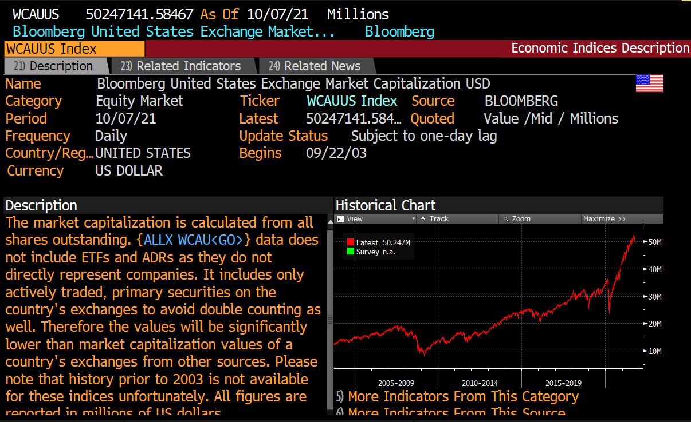
 | WCAUUS Index
 | PX_LAST
#NAME? | 12024430
2003-10-31 | 12724760
2003-11-30 | 12945950
2003-12-31 | 13508350
2004-01-31 | 13798320
2004-02-29 | 14004100
2004-03-31 | 13877190
2004-04-30 | 13632080
2004-05-31 | 13784080
2004-06-30 | 14040540
2004-07-31 | 13505010
2004-08-31 | 13544040
2004-09-30 | 13776750
2004-10-31 | 13933260
2004-11-30 | 14608780
2004-12-31 | 15132190
2005-01-31 | 14733140
2005-02-28 | 15035360
2005-03-31 | 14695550
2005-04-30 | 14287100
2005-05-31 | 14807320
2005-06-30 | 14891690
2005-07-31 | 15474080
2005-08-31 | 15277850
2005-09-30 | 15373650
2005-10-31 | 15027840
2005-11-30 | 15660940
2005-12-31 | 15707700
2006-01-31 | 16165860
2006-02-28 | 16112400
2006-03-31 | 16390540
2006-04-30 | 16508540
2006-05-31 | 15952010
2006-06-30 | 15903070
2006-07-31 | 15808850
2006-08-31 | 16083000
2006-09-30 | 16389190
2006-10-31 | 16918640
2006-11-30 | 17283560
2006-12-31 | 17467300
2007-01-31 | 17713150
2007-02-28 | 17399140
2007-03-31 | 17568350
2007-04-30 | 18167000
2007-05-31 | 18794100
2007-06-30 | 18467040
2007-07-31 | 17724860
2007-08-31 | 17843870
2007-09-30 | 18572440
2007-10-31 | 18757250
2007-11-30 | 17801470
2007-12-31 | 17663490
2008-01-31 | 16522610
2008-02-29 | 15926410
2008-03-31 | 15730460
2008-04-30 | 16392840
2008-05-31 | 17157820
2008-06-30 | 15251310
2008-07-31 | 15046350
2008-08-31 | 15332000
2008-09-30 | 13930530
2008-10-31 | 11507440
2008-11-30 | 10412140
2008-12-31 | 10606280
2009-01-31 | 9726141
2009-02-28 | 8740782
2009-03-31 | 9391185
2009-04-30 | 10320560
2009-05-31 | 10918800
2009-06-30 | 10946570
2009-07-31 | 11789140
2009-08-31 | 12222660
2009-09-30 | 12727270
2009-10-31 | 12385420
2009-11-30 | 13207590
2009-12-31 | 13740060
2010-01-31 | 13147290
2010-02-28 | 13554520
2010-03-31 | 14422510
2010-04-30 | 14481900
2010-05-31 | 13283420
2010-06-30 | 12531470
2010-07-31 | 13322920
2010-08-31 | 12659600
2010-09-30 | 13878550
2010-10-31 | 14362430
2010-11-30 | 14467320
2010-12-31 | 15430850
2011-01-31 | 15796320
2011-02-28 | 16319090
2011-03-31 | 16437720
2011-04-30 | 16818340
2011-05-31 | 16582870
2011-06-30 | 16241770
2011-07-31 | 15843290
2011-08-31 | 14759940
2011-09-30 | 13766490
2011-10-31 | 15212620
2011-11-30 | 14970520
2011-12-31 | 15006020
2012-01-31 | 15720480
2012-02-29 | 16333370
2012-03-31 | 16825190
2012-04-30 | 16673110
2012-05-31 | 15677560
2012-06-30 | 16178330
2012-07-31 | 16274910
2012-08-31 | 16536770
2012-09-30 | 16986790
2012-10-31 | 16645050
2012-11-30 | 16717720
2012-12-31 | 16855640
2013-01-31 | 17842250
2013-02-28 | 18043540
2013-03-31 | 18622420
2013-04-30 | 18851760
2013-05-31 | 19518880
2013-06-30 | 19025580
2013-07-31 | 20234240
2013-08-31 | 19495900
2013-09-30 | 20289640
2013-10-31 | 21191190
2013-11-30 | 21697000
2013-12-31 | 22280660
2014-01-31 | 21674190
2014-02-28 | 22565590
2014-03-31 | 22676570
2014-04-30 | 22586530
2014-05-31 | 22984830
2014-06-30 | 23587650
2014-07-31 | 23080050
2014-08-31 | 23876400
2014-09-30 | 23379200
2014-10-31 | 23797390
2014-11-30 | 24340580
2014-12-31 | 24413720
2015-01-31 | 23496880
2015-02-28 | 24814570
2015-03-31 | 24614870
2015-04-30 | 24639710
2015-05-31 | 24878950
2015-06-30 | 24528960
2015-07-31 | 24826120
2015-08-31 | 23149450
2015-09-30 | 22280420
2015-10-31 | 24027520
2015-11-30 | 24061760
2015-12-31 | 23544140
2016-01-31 | 21961910
2016-02-29 | 21907190
2016-03-31 | 23172280
2016-04-30 | 23304750
2016-05-31 | 23608640
2016-06-30 | 23413910
2016-07-31 | 24341790
2016-08-31 | 24398410
2016-09-30 | 24340530
2016-10-31 | 23799590
2016-11-30 | 24844560
2016-12-31 | 25204460
2017-01-31 | 25693050
2017-02-28 | 26535720
2017-03-31 | 26460000
2017-04-30 | 26696110
2017-05-31 | 26913470
2017-06-30 | 26997560
2017-07-31 | 27454116
2017-08-31 | 27220399
2017-09-30 | 28055837
2017-10-31 | 28560968
2017-11-30 | 29112869
2017-12-31 | 29644397
2018-01-31 | 31342089
2018-02-28 | 30413918
2018-03-31 | 29353555
2018-04-30 | 29694007
2018-05-31 | 30364872
2018-06-30 | 30199789
2018-07-31 | 30965602
2018-08-31 | 32104359
2018-09-30 | 32283416
2018-10-31 | 29191616
2018-11-30 | 29726451
2018-12-31 | 26871998
2019-01-31 | 29145677
2019-02-28 | 30374055
2019-03-31 | 30592409
2019-04-30 | 31806322
2019-05-31 | 30073896
2019-06-30 | 31825664
2019-07-31 | 32507121
2019-08-31 | 31422504
2019-09-30 | 31696616
2019-10-31 | 32530556
2019-11-30 | 33532166
2019-12-31 | 34375855
2020-01-31 | 34936640
2020-02-29 | 31493921
2020-03-31 | 27473462
2020-04-30 | 31005816
2020-05-31 | 32343650
2020-06-30 | 32797614
2020-07-31 | 34997094
2020-08-31 | 37934163
2020-09-30 | 36458138
2020-10-31 | 36002646
2020-11-30 | 40835927
2020-12-31 | 42640760
2021-01-31 | 42792408
2021-02-28 | 44206924
2021-03-31 | 45377326
2021-04-30 | 48458110
2021-05-31 | 48230116
2021-06-30 | 49648138
2021-07-31 | 50362725
2021-08-31 | 51941629
2021-09-30 | 50248195
2021-10-31 | 53025000
2021-11-30 | 53060000
2021-12-31 | 53765000
2022-01-31 | 48922000
2022-02-28 | 48593000
2022-03-31 | 50845000
2022-04-30 | 45182000
2022-05-31 | 45186000
2022-06-30 | 41379000
2022-07-31 | 44718000
2022-08-31 | 43295000
2022-09-30 | 39553000
2022-10-31 | 42165000
2022-11-27 | 43194000

